WI Example
Simpson & Select Competitor Code Report Summary Example
Rev. 10/14/2013 |  | Company New Code Report Email Notification | New Code Report from http://www.strongtie.com/literature/code-reports.html#
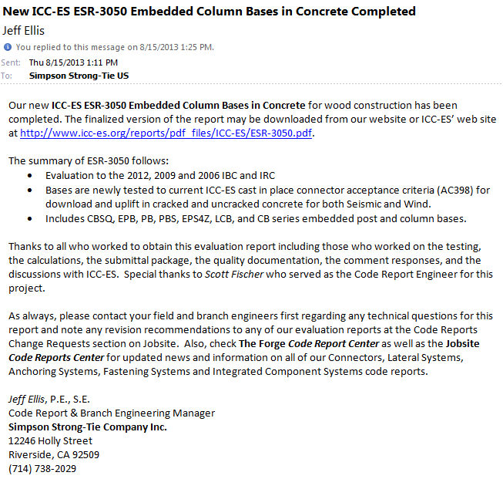
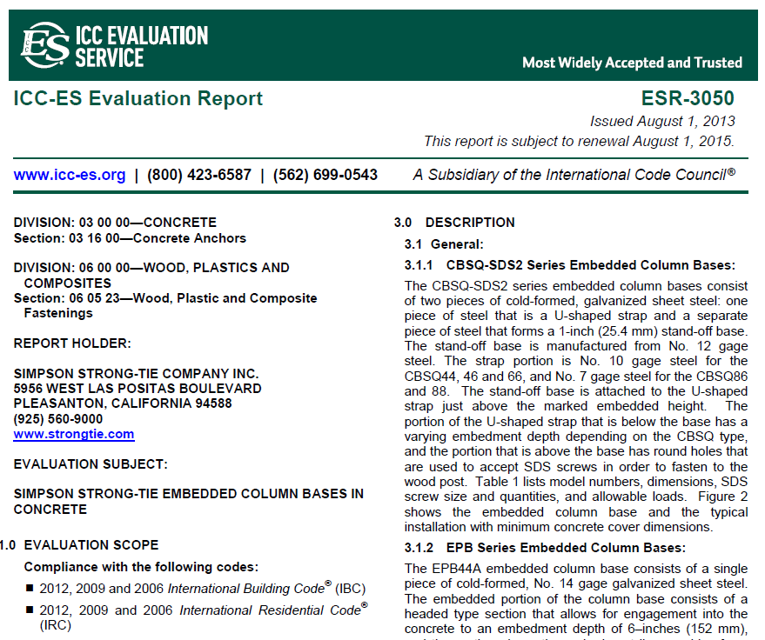

1 | Review Simpson Strong-Tie company code report email notifications and also http://www.strongtie.com/news/literature.html?source=topnav# for revision, renewal and new code reports. Then update "SST ESRs & ERs" Excel Workbook sheet.

2a | For new Simpson code reports, update "SST ESRs & ERs" Excel Workbook sheet by inserting a line into the table. Organize numerically by code report number. Then correct the number formula for the inserted row and the row below.
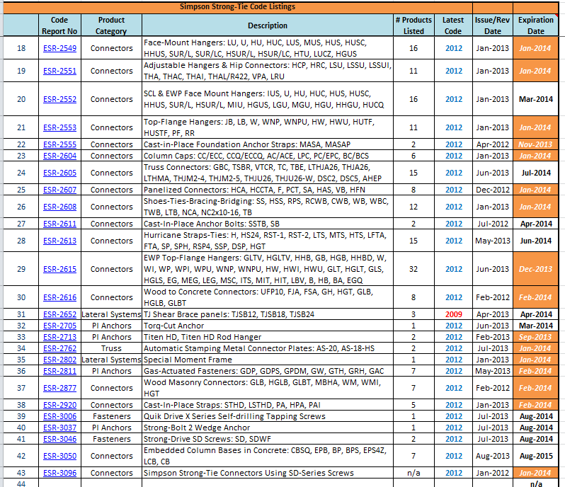

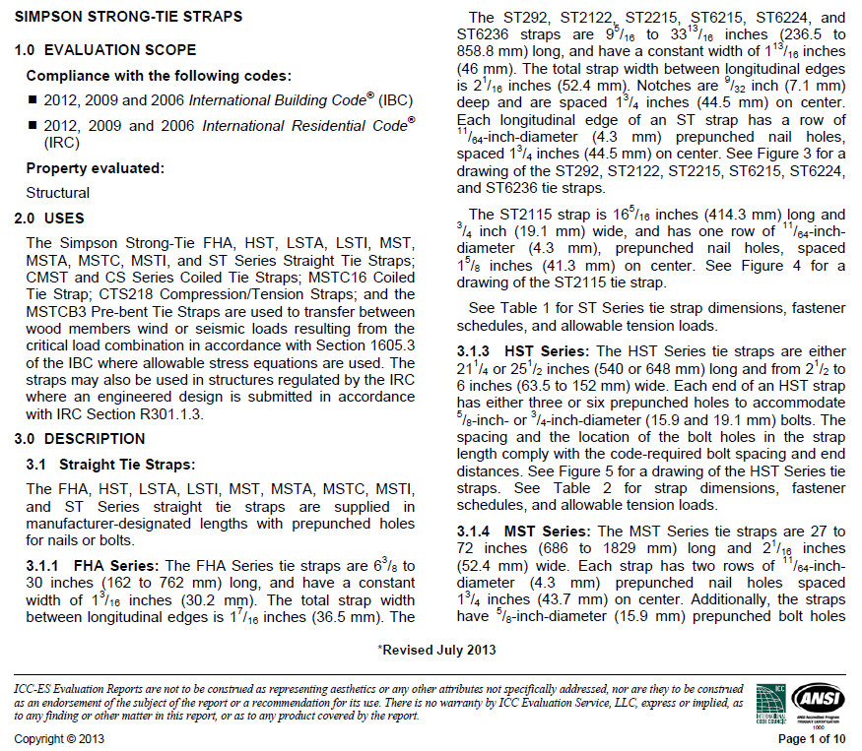
 |  | Company Revised Code Report Email Notification | Code Report from http://www.strongtie.com/literature/code-reports.html#
2b | For revisions or renewals to existing Simpson code reports, make appropriate revisions to column data in revised or renewed report Excel row (e.g., update # products listed, latest code year, issue date or revision date (revision date shown at the bottom of cover page), and expiration date). Note that code report renewals typically do not include changes to the report, only revisions do. Also, while the renewal date is typically shown in the upper right corner of an ICC-ES code report, revision dates for ICC-ES code reports are shown at the bottom of the first page. | 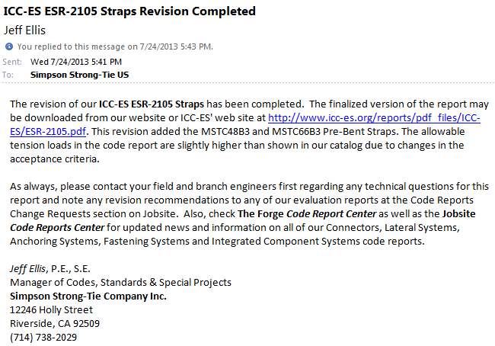

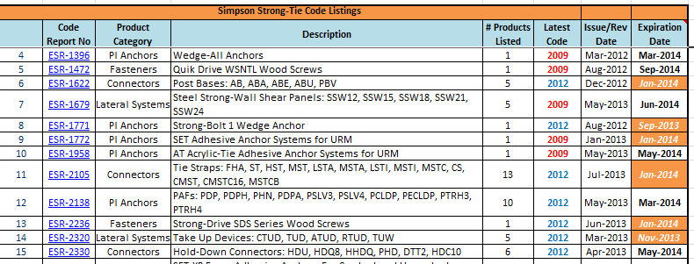

3 | Update "Revised" date in Excel Cell C1 in Excel Sheet "Summary (Expanded)" and Excel Cell B1 in Excel Sheet "SST ESRs & ERs" with the date revisions to this Excel Workbook were made.

4 | Use same process for competitor code reports as shown in steps 1 through 3 above. Review competitor code reports at the following websites ICC-ES: http://www.icc-es.org/reports/index.cfm?search=search IAPMO UES: http://www.iapmoes.org/EvaluationReports/default.aspx LADBS: http://netinfo.ladbs.org/rreports.nsf/Manufacturer?OpenView&Start=1&Count=1000&Expand=1#1 *Recommended to also go to competitor websites and look at their recent catalog pages as often they'll have a list of all their code reports.

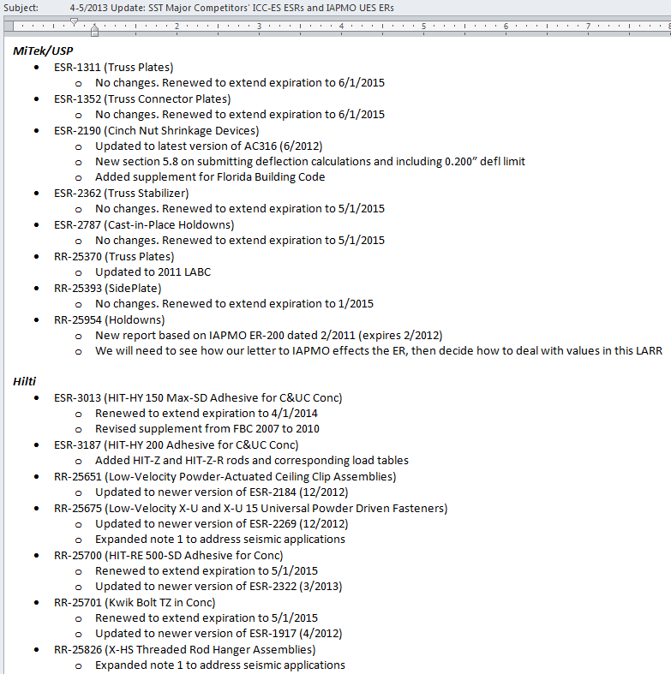
5 | Download new, revised and renewed competitor reports and add to the applicable electronic folder (e.g., Connectors, MiTek-USP) in ES's electronic code report folder. The electronic code report file's naming scheme shall be ESR or ER or LARR followed by Report Number followed by Date followed by Report Subject (such as "ESR-1781 20090101 Structural Connectors"). Revised and renewed reports then shall be compared to the previous report version in ES's electronic code report folder and differences in the newer version of the report shall be highlighted electronically in yellow (dates, text, tables, footnotes, figures).
6 | Provide a MS Word summary of new competitor code report(s) and changes to the revised or renewed version comparing to their last code report which is in ES's electronic code report folder.
7 | Send both the Excel Workbook and Word competitor code report summary to Kaye Strickland at kstrickland@strongtie.com for review. Kaye will then post it to our electronic folder.
8 | Kaye Strickland to password protect the Excel workbook and copy to the electronic folder
9 | Kaye Strickland to add new or revised code reports to BR29's competitor code report folder from ES's electronic code report folder.

6 | Send both the Excel Workbook and Word competitor code report summary to Kaye Strickland at kstrickland@strongtie.com for review. Kaye will then post it to our electronic folder.
7 | Kaye Strickland to password protect the Excel workbook and copy to the electronic folder

